List 2
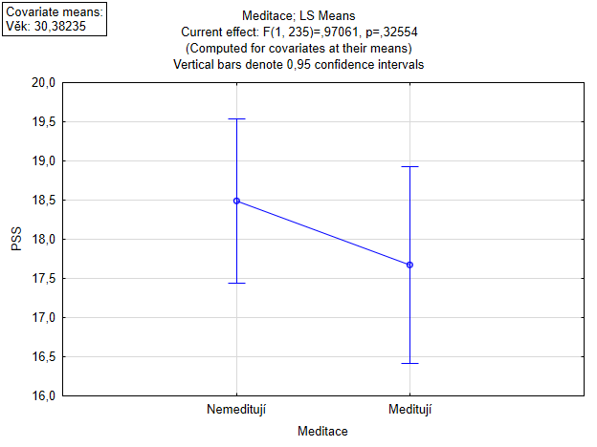
Effect | Univariate Tests of Significance for PSS (Spreadsheet9) Over-parameterized model Type III decomposition; Std. Error of Estimate: 6,2901
 | SS | Degr. of Freedom | MS | F | p
Intercept | 14900.55 | 1 | 14900.55 | 376.6058 | 0
Věk | 970.88 | 1 | 970.88 | 24.5386 | 0.000001
Meditace | 38.4 | 1 | 38.4 | 0.9706 | 0.325541
Error | 9297.86 | 235 | 39.57

Dependent Variable | Test of SS Whole Model vs. SS Residual (Spreadsheet9)
 | Multiple R | Multiple R2 | Adjusted R2 | SS Model | df Model | MS Model | SS Residual | df Residual | MS Residual | F | p
PSS | 0.311999 | 0.097344 | 0.089661 | 1002.692 | 2 | 501.3461 | 9297.862 | 235 | 39.56537 | 12.67134 | 0.000006

Effect | Univariate Tests of Significance, Effect Sizes, and Powers for PSS (Spreadsheet9) Over-parameterized model Type III decomposition
 | SS | Degr. of Freedom | MS | F | p | Partial eta-squared | Non-centrality | Observed power (alpha=0,05)
Intercept | 14900.55 | 1 | 14900.55 | 376.6058 | 0 | 0.615766 | 376.6058 | 1
Věk | 970.88 | 1 | 970.88 | 24.5386 | 0.000001 | 0.094547 | 24.5386 | 0.998527
Meditace | 38.4 | 1 | 38.4 | 0.9706 | 0.325541 | 0.004113 | 0.9706 | 0.165477
Error | 9297.86 | 235 | 39.57

Effect | Parameter Estimates (Spreadsheet9) (*Zeroed predictors failed tolerance check) Over-parameterized model
 | Level of Effect | Column | Comment (B/Z/P) | PSS Param. | PSS Std.Err | PSS t | PSS p | -95,00% Cnf.Lmt | #ERROR! | PSS Beta (ß) | PSS St.Err.ß | -95,00% Cnf.Lmt | #ERROR!
Intercept |  | 1 |  | 23.39715 | 1.311416 | 17.84113 | 0 | 20.81351 | 25.98078
Věk |  | 2 |  | -0.18847 | 0.038046 | -4.95365 | 0.000001 | -0.26342 | -0.11351 | -0.307059 | 0.061986 | -0.429179 | -0.184939
Meditace | 0 | 3 | Biased | 0.81632 | 0.828588 | 0.9852 | 0.325541 | -0.81609 | 2.44873 | 0.061069 | 0.061986 | -0.061051 | 0.183189
Meditace | 1 | 4 | Zeroed* | 0

